Raw data
 |  |  | n.b: Enter date and times in the format 24/12/2023 13:00 |  |  |  |  |  |  |  |  |  |  |  |  | n.b: Enter date and times in the format 24/12/2024 13:00 |  |  |  |  |  |  |  |  | n.b: Enter date and times in the format 24/12/2024 13:00 |  |  |  |  |  |  |  |  | n.b: Enter date and times in the format 24/12/2024 13:00 | . |  | .
Six figure grid must be placed into a 10 figure grid with the addition of ST and 00 after each 3 figure grid ref
Then use https://gridreferencefinder.com/batchConvert/batchConvert.php
to convert to lat and long, then convert abs to conc values
add lat and long and conc to a table and plot using 3D maps
https://getoutside.ordnancesurvey.co.uk/guides/beginners-guide-to-grid-references/
Tube 1 |  |  |  |  |  |  |  |  |  |  | Tube 2 |  |  |  |  |  |  |  |  | Tube 3 |  |  |  |  |  |  |  |  | Tube 4

Group | Grid square | Barcode | Six figure grid ref | 10 Figure Grid ref | Lat1 | Long1 | Date and time put out | Date and time retrieved |  | A (542 nm) | Barcode | Six figure grid ref | 10 Figure Grid ref | Lat1 | Long1 | Date and time put out | Date and time retrieved | Hours out | A (542 nm) | Barcode | Six figure grid ref | 10 Figure Grid ref | Lat1 | Long1 | Date and time put out | Date and time retrieved | Hours out | A (542 nm) | Barcode | Six figure grid ref | 10 Figure Grid ref | Lat1 | Long1 | Date and time put out | Date and time retrieved | Hours out | A (542 nm)
EXAMPLE | 5284 | UO218 | 523 842 |  |  |  | dd/mm/yyyy hh:mm | dd/mm/yyyy hh:mm |  | 0.XX |  |  |  |  |  | dd/mm/yyyy hh:mm | dd/mm/yyyy hh:mm |  |  |  |  |  |  |  | dd/mm/yyyy hh:mm | dd/mm/yyyy hh:mm |  |  |  |  |  |  |  | dd/mm/yyyy hh:mm | dd/mm/yyyy hh:mm
1 | 5572 | HO118 | 558727 | ST5580072700 | 51.451548 | -2.637471 | 20/09/2024 11:15 | 30/10/2024 10:47:00 AM | 959.53 | 0.60274 | HO218 | 554726 | ST5540072600 | 51.450617 | -2.6432144 | 20/09/2024 11:35 | 10/30/24 | 959.45 | 0.2577 | HO318 | 558728 | ST5580072700 | 51.451548 | -2.637471 | 20/09/2024 11:50 | 10/30/24 | 959.45 | 0.22818 | HO418 | 556729 | ST5560072900 | 51.45333 | -2.6403742 | 20/09/2024 12:00 | 10/30/24 | 959.37 | 0.2861
2 | 5573 | B0318 | 559730 | ST5590073000 | 51.454253 | -2.6360695 | 20/09/2024 14:28 | 11/3/24 | 1055.63 | 1.3054 | B0118 | 553730 | ST5530073000 | 51.454206 | -2.644704 | 20/09/2024 14:40 | 11/3/24 | 1055.58 | 0.21875 | B0218 | 554731 | ST5540073000 | 51.454214 | -2.6432649 | 20/09/2024 14:50 | 11/3/24 | 1055.87 | 0.23218 | B0418 | 556732 | ST5560073200 | 51.456028 | -2.6404119 | 20/09/2024 14:58 | 11/3/24 | 1056.15 | 0.19442
3 | 5574 | A1118 | 559 749 | ST5590074900 | 51.471336 | -2.6363071 | 21/09/2024 12:48 | 11/12/24 | 1249.00 | 1.73827 | A1218 | 554 748 | ST5540074800 | 51.470397 | -2.6434926 | 21/09/2024 13:15 | 11/2/24 | 1008.90 | 1.92266 | A1318 | 554 742 | ST5540074900 | 51.471296 | -2.6435053 | 21/09/2024 12:59 | (unretrieved) | #VALUE! |  | A1418 | 557 745 | ST5570074500 | 51.467724 | -2.6391361 | 21/09/2024 13:20 | 11/3/24 | 1033.35 | 1.58076
4 | 5575 | P0118 | 557 750 | ST5570075000 | 51.472219 | -2.639199 | 25/09/2024 10:44 | 11/5/24 | 981.97 | 0.29099 | P0218 | 558 752 | ST5580075200 | 51.474025 | -2.6377844 | 25/09/2024 10:51 | 11/5/24 | 981.98 | 0.28243 | P0318 | 551 752 | ST5510075000 | 51.472172 | -2.6478368 | 25/09/2024 11:08 | 11/5/24 | 981.20 | 0.24684 | P0418 | 556 755 | ST5560075500 | 51.476707 | -2.6407016 | 25/09/2024 11:20 | 11/5/24 | 980.73 | 0.2334
5 | 5576 | D0418 | 557 764 | ST5570076400 | 51.484806 | -2.639375 | 25/09/2024 11:10 | 11/13/24 | 1178.30 | 0.33785 | D0318 | 554 766 | ST5540076600 | 51.486581 | -2.6437205 | 25/09/2024 11:20 | 11/3/24 | 938.27 | 0.20087 | D0218 | 553 766 | ST5530076400 | 51.484775 | -2.6451352 | 25/09/2024 11:28 | 11/3/24 | 938.23 | 0.4116 | D0118 | 550 767 | ST5500076700 | 51.487448 | -2.6494937 | 25/09/2024 11:37 | 11/3/24 | 938.22 | 0.3044
6 | 5672 | R1418 | 569 721 | ST5690072100 | 51.446238 | -2.6215687 | 19/09/2024 11:55 | 31/10/2024 15:45 | 1011.83 | 0.33144 | R1318 | 567 722 | ST5670072200 | 51.447122 | -2.6244586 | 19/09/2024 12:10 | 31/10/2024 16:00 | 1011.83 | 0.37635 | R1118 | 565 723 | ST5650072100 | 51.446207 | -2.627324 | 19/09/2024 12:17 | 31/10/2024 16:05 | 1011.80 | 0.46701 | R1218 | 567 725 | ST5670072500 | 51.449819 | -2.6244954 | 19/09/2024 12:40 | 31/10/2024 16:21 | 1011.68 | 0.36248
7 | 5673 | K1318 | 567 732 | ST5670073200 | 51.456113 | -2.6245814 | 19/09/2024 11:45 | 11/15/24 | 1370.48 | 0.33111 | K1418 | 567 736 | ST5670073600 | 51.459709 | -2.6246305 | 19/09/2024 12:04 | 11/5/24 | 1130.38 | 0.61333 | K1118 | 563 735 | ST5630073200 | 51.456082 | -2.6303379 | 19/09/2024 12:24 | 11/5/24 | 1130.28 | 0.59051 | K1218 | 563 734 | ST5630034 00 | 50.82488 | -2.6217966 | 19/09/2024 12:34 | 11/5/24 | 1130.27 | 0.80945
8 | 5674 | F1118 | 569 749 | ST5690074900 | 51.471413 | -2.6219109 | 19/09/2024 11:37 | 30/10/2024 14:12 | 986.58 |  | F1218 | 565 741 | ST5650074100 | 51.464189 | -2.6275707 | 19/09/2024 11:50 | 30/10/2024 14:35 | 986.75 |  | F1318 | 564 743 | ST5640074900 | 51.471375 | -2.629109 | 19/09/2024 11:58 | 30/10/2024 15:03 | 987.08 |  | F1418 | 563 749 | ST5630074900 | 51.471367 | -2.6305486 | 19/09/2024 12:10 | 30/10/2024 15:40 | 987.50
9 | 5675 | G1218 | 566756 | ST5660075600 | 51.477684 | -2.626316 | 21/09/24 12:47 | 11/2/24 | 1008.68 | 0.24072 | G1118 | 560750 | ST5600075000 | 51.472243 | -2.63488 | 21/09/24 12:26 | 11/2/24 | 1009.30 | 0.24436 | G1418 | 566751 | ST5660075600 | 51.477684 | -2.626316 | 21/09/24 11:34 | 11/2/24 | 1010.00 | 0.37933 | G1318 | 562754 | ST5620075400 | 51.475855 | -2.6320504 | 21/09/24 12:01 | 11/2/24 | 1009.88 | 0.41125
10 | 5676 | H1318 | 563 767 | ST5630076700 | 51.48755 | -2.6307719 | 24/09/24 15:18 | N/A MISSING | #VALUE! | N/A | H1418 | 113 452 | ST1130045200 | 51.199105 | -3.2708877 | 24/09/24 15:04 | 29/10/24 12:38 | 837.57 | 0.26618 | H1118 | 596 194 | ST5960076700 | 51.487797 | -2.5832471 | 24/09/24 14:49 | 29/10/24 12:29 | 837.67 | 0.33236 | H1218 | 681 190 | ST6810019000 | 50.969527 | -2.4556761 | 24/09/24 14:43 | 10/29/24 | 837.70 | 0.2723
11 | 5772 | Q0118 | 578724 | ST5780072400 | 51.449003 | -2.608655 | 25/09/24 10:35 | 11/3/24 | 941.20 |  | Q0218 | 579723 | ST5790072300 | 51.448112 | -2.6072041 | 25/09/24 10:42 | 11/3/24 | 941.03 |  | Q0318 | 578722 | ST5780072400 | 51.449003 | -2.608655 | 25/09/24 10:45 | 3/11/24 | -4746.87 |  | Q0418 | 577722 | ST5770072200 | 51.447198 | -2.6100699 | 25/09/24 10:53 |  | -1093450.88
12 | 5773 | T1118 | 574 731 | ST5740073100 | 51.455267 | -2.6144952 | 27/09/2024 13:21 | 10/30/24 | 792.87 | 2.33867 | T1218 | 574 734 | ST5740073400 | 51.457964 | -2.6145315 | 27/09/2024 13:32 | 10/30/24 | 792.85 | 2.32093 | T1318 | 572 738 | ST5720073100 | 51.455252 | -2.6173735 | 27/09/2024 13:44 | 10/30/2024 | #VALUE! | 2.27529 | T1418 | 577 738 | ST5770073800 | 51.461583 | -2.6102618 | 27/09/2024 13:59 | 10/30/24 | 792.97 | 2.35091
13 | 5774 | T0118 | 577 741 | ST5770074100 | 51.464281 | -2.6102978 | 24/09/2024 17:32 | 11/1/24 | 906.58 | 0.55667 | T0218 | 575 741 | ST5750074100 | 51.464266 | -2.6131766 | 24/09/2024 17:46 | 11/1/24 | 906.25 | 0.53318 | T0318 | 570 740 | ST5700074100 | 51.464228 | -2.6203737 | 24/09/2024 18:11 | 1/11/24 | -6173.72 | 0.24464 | T0418 | 570 740 | ST5700074000 | 51.463329 | -2.6203615 | 24/09/2024 18:24 | 11/1/24 | 906.88 | 0.37049
14 | 5775 | RO118 | 572 757 | ST5720075700 | 51.478629 | -2.6176892 | 20/09/2024 11:28 | 11/5/24 | 1106.50 | 0.10197 | RO218 | 575 756 | ST5750075600 | 51.477752 | -2.6133575 | 20/09/2024 11:50 | 11/5/24 | 1105.73 | 0.00868 | RO318 | 578 752 | ST5780075700 | 51.478674 | -2.60905 | 20/09/2024 12:02 | N/A Missing | #VALUE! |  | R0418 | 573 750 | ST5730075000 | 51.472342 | -2.6161645 | 20/09/2024 12:20 | 11/5/24 | 1106.02 | 0.07882
15 | 5776 | G0218 | 572761 | ST5720076100 | 51.482225 | -2.6177378 | 22/09/2024 13:21 | 11/4/24 | 1036.28 | 0.4452 | G0118 | 574674 | ST5740067400 | 51.404018 | -2.6138078 | 22/09/2024 13:35 | 11/4/24 | 1036.22 | 0.39149 | G0418 | 579763 | ST5790076100 | 51.482278 | -2.607658 | 22/09/2024 13:47 | 11/4/24 | 1036.25 | 0.3615 | G0318 | 571759 | ST5710075900 | 51.480419 | -2.6191534 | 22/09/2024 14:08 | 11/4/24 | 1035.40 | 0.3337
16 | 5872 | B1118 | 583 728 | ST5830072800 | 51.452637 | -2.6015076 | 19/09/2024 11:42 | 10/30/24 | 985.37 | 0.59482 | B1318 | 585 727 | ST5850072700 | 51.451753 | -2.5986178 | 19/09/2024 11:51 | 30/10/2024 1:10:00 PM | 985.32 | 0.72906 | B1218 | 583 725 | ST5830072800 | 51.452637 | -2.6015076 | 19/09/2024 11:59 | 30/10/2024 1:14:00 PM | 985.25 | 0.55714 | B1418 | 587 725 | ST5870072500 | 51.449969 | -2.5957163 | 19/09/2024 12:05 | 30/10/2024 1:18:00 PM | 985.22 | 0.36531
17 | 5817 | S0318 | 581 734 | ST5810073400 | 51.458017 | -2.604457 | 19/09/24 12:09 | 11/5/24 | 1128.87 | 0.50647 | S0418 | 580 734 | ST5800073400 | 51.458009 | -2.6058962 | 19/09/2024 12:27 | 11/5/24 | 1128.70 | 0.61402 | S0118 | 587 730 | ST5870073400 | 51.458061 | -2.5958217 | 19/09/2024 12:52 | 11/5/24 | 1124.80 | 0.86469 | S0218 | 587 735 | ST5870073500 | 51.45896 | -2.5958334 | 19/09/2024 13:11 | 11/5/24 | 1128.22 | 1.08737
18 | 5874 | F0318 | 582 740 | ST5820074000 | 51.463419 | -2.6030889 | 9/19/24 | 11/3/24 | 1080.97 | 0.3735 | F0418 | 584 745 | ST5840074500 | 51.467929 | -2.6002691 | 19/09/2024 12:21 | N/A MISSING | #VALUE! | N/A | F0218 | 588 747 | ST5880074000 | 51.463463 | -2.5944526 | 19/09/2024 12:36 | 11/3/24 | 1080.03 | 0.79549 | F0118 | 587 740 | ST5870074000 | 51.463456 | -2.595892 | 19/09/2024 13:00 | 11/3/24 | 1079.87 | 0.38386
19 | 5875 | J0318 | 584 750 | ST5840075000 | 51.472425 | -2.6003282 | 25/09/2024 10:54 | 10/30/24 | 844.78 | 0.31301 | J0118 | 584 752 | ST5840075200 | 51.474223 | -2.6003518 | 25/09/2024 11:01 | 10/30/24 | 844.22 | 0.37159 | J0218 | 584 755 | ST5840075000 | 51.472425 | -2.6003282 | 25/09/2024 11:10 | 30/10/2024 15:26 | 844.27 | 0.34163 | J0418 | 588 754 | ST5880075400 | 51.47605 | -2.5946163 | 25/09/2024 11:19 | 10/30/24 | 843.02 | 0.32961
20 | 5876 | U0418 | 588 765 | ST5880076500 | 51.48594 | -2.5947449 | 21/09/2024 12:05 | 03/11/24 14.25 | #VALUE! | 0.57349 | U0318 | 588 762 | ST5880076200 | 51.483243 | -2.5947098 | 9/21/24 | 11/3/24 | 1034.92 | 0.36931 | X0118 | 584 761 | ST5840076500 | 51.485911 | -2.6005053 | 21/09/2024 12:39 | 11/3/24 | 1034.45 | 0.45469 | X0218 | 581 764 | ST5810076400 | 51.48499 | -2.6048137 | 21/09/2024 13:04 | 11/3/24 | 1033.73 | 0.33012
21 | 5972 | N0418 | 597723 | ST5970072300 | 51.448243 | -2.5813038 | 20/09/2024 14:58 | 11/3/24 | 1055.35 | 0.99705 | N0318 | 591 721 | ST5910072100 | 51.446402 | -2.5899141 | 20/09/2024 15:18 | 11/3/24 | 1055.78 | 0.46093 | N0118 | 591723 | ST5910072300 | 51.4482 | -2.5899373 | 20/09/2024 15:25 | 11/3/24 | 1055.57 | 1.09731 | N0218 | 591 729 | ST5910072900 | 51.453595 | -2.5900068 | 20/09/2024 15:37 | 11/3/24 | 1055.20 | 0.6198
22 | 5973 | C0118 | 319 059 | ST3190005900 | 50.848594 | -2.9687107 | 20/09/2024 15:39 | 11/1/24 | 1008.92 | 0.5246 | C0218 | 369 186 | ST3690018600 | 50.963351 | -2.8998964 | 25/09/2024 14:08 | 11/1/24 | 890.48 | 0.5227 | C0318 | 517 582 | ST5170005900 | 50.85059 | -2.6874832 | 25/09/2024 14:24 | 11/1/24 | 890.40 | 0.6215 | C0418 | 529 899 | ST5290089900 | 51.605955 | -2.6815076 | 25/09/2024 14:33 | 11/1/24 | 890.35 | 0.35712
23 | 6075 | E1318 | 591798 | ST5910079800 | 51.515633 | -2.5908084 | 25/09/24 10:30 | 30/10/24 11:33 | 841.05 | 0.56823 | E1418 | 592744 | ST5920074400 | 51.467088 | -2.5887413 | 9/25/24 | 10/30/24 | 840.95 | 0.41215 | E1118 | 594742 | ST5940079800 | 51.515654 | -2.5864853 | 25/09/24 11:06 | 30/10/24 11:57 | 840.85 | 0.38007 | E1218 | 598740 | ST5980074000 | 51.463535 | -2.5800587 | 25/09/24 11:18 | 30/10/24 12:07 | 840.82 | 0.39628
24 | 5975 | S1318 | 593750 | ST5930075000 | 51.47249 | -2.5873711 | 20/09/2024 11:08 | 29/10/2024 11:37 | 936.48 | 0.40317 | S1418 | 596752 | ST5960075200 | 51.47431 | -2.583075 | 20/09/2024 11:22 | 29/10/2024 11:53 | 936.52 | 0.39418 | S1118 | 593755 | ST5930075000 | 51.47249 | -2.5873711 | 20/09/2024 11:41 | 10/29/24 | 936.50 | 0.40116 | S1218 | 591755 | ST5910075500 | 51.476971 | -2.5903085 | 20/09/2024 11:49 | 29/10/2024 12:17 | 936.47 | 0.69103
25 | 5976 | Q0318 | 594765 | ST5940076500 | 51.485984 | -2.5861044 | 9/22/24 | 11/4/24 | 1034.80 | 0.5882 | Q0218 | 598766 | ST5980076600 | 51.486912 | -2.5803554 | 9/22/24 | 11/4/24 | 1034.85 | 0.56218 | Q0418 | 598761 | ST5980076500 | 51.486013 | -2.580344 | 9/22/24 | 11/4/24 | 1034.55 | 0.62952 | Q0118 | 591764 | ST5910076400 | 51.485063 | -2.590413 | 22/09/2024 | 11/4/24 | 1033.60 | 0.42258
26 | 6072 | N1118 | 600723 | ST6000072300 | 51.448264 | -2.5769871 | 19/09/2024 12:15 | 11/3/24 | 1079.80 | 0.35004 | N1418 | 607725 | ST6070072500 | 51.450112 | -2.5669369 | 19/09/2024 12:26 | 11/3/24 | 1079.75 | 0.61349 | N1318 | 609724 | ST6090072300 | 51.448327 | -2.5640368 | 19/09/2024 12:30 | 11/3/24 | 1079.77 | 0.51161 | N1218 | 605720 | ST6050072000 | 51.445602 | -2.5697589 | 19/09/2024 12:50 | 11/3/24 | 1079.62 | 0.43253
27 | 6073 | K0118 | 604734 | ST6040073400 | 51.458183 | -2.5713549 | 19/09/24 13:00 |  | -1093309.00 |  | K0218 | 602732 | ST6020073200 | 51.456371 | -2.5742108 | 19/09/24 14:06 | 11/5/24 | 1127.87 | 0.58171 | K0318 | 600734 | ST6000073400 | 51.458155 | -2.5771118 | 19/09/24 14:21 | 11/5/24 | 1127.83 | 0.77654 | K0418 | 608733 | ST6080073300 | 51.457312 | -2.5655869 | 19/09/24 13:18 | 11/5/24 | 1128.37 | 1.11945
28 | 6074 | E0318 | 607 744 | ST6070074400 | 51.467195 | -2.5671487 | 9/19/24 | 11/3/24 | 1077.85 | 0.7192 | E0418 | 605 743 | ST6050074300 | 51.466282 | -2.5700165 | 1pm 19/09 | 11/3/24 | #VALUE! | 0.72556 | E0118 | 606 744 | ST6060074400 | 51.467188 | -2.5685882 | 9/19/24 | 11/3/24 | 1077.80 | 0.9921 | E0218 | 604 743 | ST6040074300 | 51.466275 | -2.571456 | 19/09/2024 | 11/3/24 | 1076.83 | 0.5943
29 | 6175 | D1318 | 607753 | ST6070075300 | 51.475287 | -2.5672491 | 10/9/24 | 10/30/24 | 501.77 | 0.57308 | D1118 | 606754 | ST6060075400 | 51.476179 | -2.5687001 | 19/09/2024 12:44 | 10/30/24 | 981.73 | 0.97682 | D1218 | 605755 | ST6050075300 | 51.475273 | -2.5701286 | 19/09/2024 13:00 | 11/3/24 | 1076.80 | 0.36527 | D1418 | 606759 | ST6060075900 | 51.480674 | -2.568756 | 19/09/2024 13:11 | 10/30/24 | 981.52 | 0.20833
30 | 6076 | X1318 | 608 765 | ST6080076500 | 51.486083 | -2.5659429 | 22/09/2024 15:47 | 11/2/24 | 982.98 |  | X1118 | 610 767 | ST6100076700 | 51.487895 | -2.5630849 | 22/09/2024 15:56 | 11/2/24 | 982.92 |  | X1218 | 612 766 | ST6120076500 | 51.486111 | -2.5601825 | 22/09/2024 16:01 | 2/11/24 | -5377.10 |  | X1418 | 609 770 | ST6090077000 | 51.490586 | -2.5645584 | 22/09/2024 16:16 | 2/11/24 | -5377.25
31 | 6172 | P1318 | 612 727 | ST6120072700 | 51.451945 | -2.5597641 | 20/09/2024 15:08 | 10/30/24 | 955.67 | 0.42628 | P1118 | 614 729 | ST6140072900 | 51.453757 | -2.5569079 | 20/09/2024 15:17 | n/a | #VALUE! |  | P1418 | 617 725 | ST6170072700 | 51.451979 | -2.5525689 | 20/09/2024 15:36 | 10/30/24 | 955.65 | 0.37024 | P1218 | 616 725 | ST6160072500 | 51.450174 | -2.5539862 | 20/09/2024 15:49 | 10/30/24 | 955.48 | 0.58295
32 | 6173 | Y1318 | 612 730 | ST6120073000 | 51.454642 | -2.5597971 | 20/09/24 15:07 | 11/1/24 | 1008.67 | 0.49417 | Y1218 | 614 730 | ST6140073000 | 51.454656 | -2.5569188 | 20/09/24 15:12 | 11/1/24 | 1008.77 | 0.56807 | Y1418 | 615 733 | ST6150073000 | 51.454662 | -2.5554797 | 20/09/24 15:18 | 11/1/24 | 1008.82 | 0.5546 | Y1118 | 616 733 | ST6160073300 | 51.457367 | -2.5540733 | 20/09/24 15:24 | 11/1/24 | 1008.82 | 0.43453
33 | 6174 | M1118 | 610 744 | ST6100074400 | 51.467216 | -2.5628302 | 21/09/24 16:35 | 11/2/24 | 1008.10 | 0.63621 | M1218 | 610 749 | ST6100074900 | 51.471711 | -2.5628855 | 21/09/24 16:20 | 11/2/24 | 1008.72 | 0.85635 | M1318 | 614 747 | ST6140074400 | 51.467243 | -2.5570721 | 21/09/24 16:05 | 11/2/24 | 1008.35 | 0.34091 | M1418 | 615 745 | ST6150074500 | 51.468149 | -2.5556435 | 21/09/24 15:35 | 11/2/24 | 1008.63 | 0.35202
34 | 6175 | B6 | 610751 | ST6100075100 | 51.473509 | -2.5629077 | 29/09/24 12:02 | 11/3/24 | 838.68 | 0.25846 | L0418 | 611752 | ST6110075200 | 51.474415 | -2.561479 | 29/09/24 12:12 | 11/3/24 | 838.62 | 0.57079 | L1318 | 614754 | ST6140075100 | 51.473537 | -2.5571488 | 29/09/24 12:22 | 11/3/24 | 838.92 | 0.60229 | L1418 | 618760 | ST6180076000 | 51.481656 | -2.5514876 | 29/09/24 12:40 | N/A - MISSING | #VALUE! | N/A
35 | 6176 | A0318 | 610769 | ST6100076900 | 51.489693 | -2.563107 | 25/09/2024 13:29 | 11/3/24 | 935.27 |  | A0218 | 610767 | ST6100076700 | 51.487895 | -2.5630849 | 25/09/2024 13:53 | 3/11/24 | -4753.00 |  | A0418 | 611765 | ST6110076900 | 51.4897 | -2.5616668 | 25/09/2024 14:12 | 3/11/24 | -4753.23 |  | A0118 | 611769 | ST6110076900 | 51.4897 | -2.5616668 | 25/09/2024 14:47 | 3/11/24 | -4753.97
36 | 5571 | U118 | 557 711 | ST5570071100 | 51.437154 | -2.6387092 | 19/09/24 13:21 | 10/31/24 | 1007.32 | 0.29597 | U1218 | 559 713 | ST5590071300 | 51.438968 | -2.6358571 | 19/09/24 13:33 | 31/10/24 12:16 | 1006.72 | 0.14258 | U1318 | 557 718 | ST5570071100 | 51.437154 | -2.6387092 | 19/09/24 14:22 | 10/31/24 | 1006.05 | 0.09284 | U1418 | 554 711 | ST5540071100 | 51.437131 | -2.6430249 | 19/09/24 14:35 | 31/10/24 12:31 | 1005.93 | 0.209
37 | 5671 | X0118 | 569 718 | ST5690071800 | 51.443541 | -2.621532 | 25/09/2024 10:36 | 11/2/24 | 913.90 | 0.37235 | X0218 | 565 714 | ST5650071400 | 51.439914 | -2.6272378 | 25/09/2024 10:19 | 11/2/24 | 913.90 | 0.61743 | X0318 | 569 715 | ST5690071800 | 51.443541 | -2.621532 | 25/09/24 10:25 | 11/2/24 | 914.00 | 0.49611 | X0418 | 567 713 | ST5670071300 | 51.43903 | -2.6243482 | 25/09/2024 10:47 | 11/2/24 | 913.53 | 0.53365
38 | 5771 | Q1118 | 579 710 | ST5790071000 | 51.436423 | -2.6070491 | 19/09/2024 14:16 | 11/3/24 | 1079.28 | 0.63136 | Q1218 | 574714 | ST5740071400 | 51.439982 | -2.61429 | 19/09/2024 13:50 | 11/3/24 | 1079.83 | 0.35836 | Q1318 | 572710 | ST5720071000 | 51.436371 | -2.6171188 | 19/09/2024 13:29 | Missing | #VALUE! | N/A | Q1418 | 579718 | ST5790071800 | 51.443616 | -2.6071445 | 19/09/2024 14:38 | 11/3/24 | 1078.98 | 0.35253
39 | 5871 | C1318 | 586 719 | ST5860071900 | 51.444567 | -2.5970849 | 9/19/24 | 10/30/24 | 982.00 | 0.52739 | C1418 | 583 717 | ST5830071700 | 51.442747 | -2.6013776 | 9/19/24 | 10/30/24 | 982.08 | 0.37568 | C1118 | 581 718 | ST5810071900 | 51.44453 | -2.6042788 | 9/19/24 | 10/30/24 | 982.08 | 0.3828 | C1218 | 583 713 | ST5830071300 | 51.43915 | -2.6013304 | 19/09/2024 | 10/30/24 | 982.20 | 0.80787
40 | 5971 | z1118 | 599 717 | ST5990071700 | 51.442863 | -2.5783578 | 19/09/2024 12:27 | 11/3/24 | 1081.45 | 1.05007 | z1218 | 596 718 | ST5960071800 | 51.44374 | -2.5826855 | 19/09/2024 12:36 | 11/3/24 | 1081.42 | 0.57194 | Z1318 | 591 716 | ST5910071700 | 51.442805 | -2.5898677 | 19/09/2024 12:48 | 11/3/24 | 1081.37 | 0.58592 | z1418 | 593 716 | ST5930071600 | 51.441921 | -2.5869787 | 19/09/2024 12:52 | 11/3/24 | 1081.37 | 0.40479
41 | 6071 | M0318 | 602714 | ST6020071400 | 51.440187 | -2.5740077 | 21/9/24 13.07 |  | #VALUE! | 0.53527 | M0418 | 607 710 | ST6070071000 | 51.436625 | -2.5667699 | 9/21/24 | 11/2/24 | 1009.08 | 0.33419 | M0118 | 603 710 | ST6030071400 | 51.440194 | -2.5725691 | 9/21/24 | 11/2/24 | 1010.53 | 0.41838 | M0218 | 602 718 | ST6020071800 | 51.443783 | -2.5740528 | 21/9/24 14.06 | 2/11/24 - 14.56pm (MISSING) | #VALUE!
42 | 6171 | Y0118 | 613715 | ST6130071500 | 51.441162 | -2.5581934 | 20/09/2024 14:00 | 11/12/24 | 1271.15 | 0.64581 | Y0218 | 612 713 | ST6120071300 | 51.439357 | -2.5596101 | 20/09/2024 14:10 | 11/2/24 | 1030.82 | 0.87269 | Y0318 | 610 717 | ST6100071500 | 51.441142 | -2.5625095 | 9/20/24 | 11/2/24 | 1030.23 | 0.64986 | Y0418 | 612 717 | ST6120071700 | 51.442954 | -2.5596541 | 20/09/2024 14:47 | 11/2/24 | 1029.88 | 0.74698
43 | 5871 | J1118 | 588718 | ST5880071800 | 51.443683 | -2.5941956 | 29/09/2024 17:30 | 11/6/24 | 914.00 | 0.64583 | J1218 | 589718 | ST5890071800 | 51.44369 | -2.5927569 | 29/09/2024 17:30 | 11/6/24 | 914.00 | 0.52431 | J1318 | 584718 | ST5840071800 | 51.443653 | -2.5999507 | 29/09/2024 17:30 | 11/6/24 | 914.00 | 0.43239 | J1418 | 584718 | ST5840071800 | 51.443653 | -2.5999507 | 29/09/24 17:30 | 11/6/24 | 914.00 | 0.38702
44 | 5875 | J0318 | 584750 |  |  |  | 25/09/2024 10:54 | 30/10/2024 15:41 | 844.78 |  | J0118 | 584752 | ST5840075200 |  |  | 25/09/2024 11:01 | 30/10/2024 15:14 |  |  | J0218 | 584755 |  |  |  | 25/09/2024 11:10 | 30/10/2024 15:26 |  |  | J0418 | 588754 |  |  |  | 25/09/2024 11:19 | 30/10/2024 14:20
45 |  |  |  |  |  |  |  |  | 0.00 |  |  |  | ST0000
46 |  | L0118 | 630802 |  |  |  | 28/09/24 08:30 | 29/10/24 13:00 |  | 0.29644 | L0218 | 633800 |  |  |  | 28/09/24 08:40 | 29/10/24 12:50 |  | 0.48577 | L0318 | 629797 |  |  |  | 28/09/24 08:50 | 29/10/24 12:40 |  | 0.457 | L0418 | 621798 |  |  |  | 28/09/24 09:05 | 29/10/24 12:25 |  | 0.52515

 |  |  |  |  |  |  |  |  |  |  |  |  |  |  |  |  |  |  |  |  |  |  |  |  |  | 11/2/24

Data for plotting
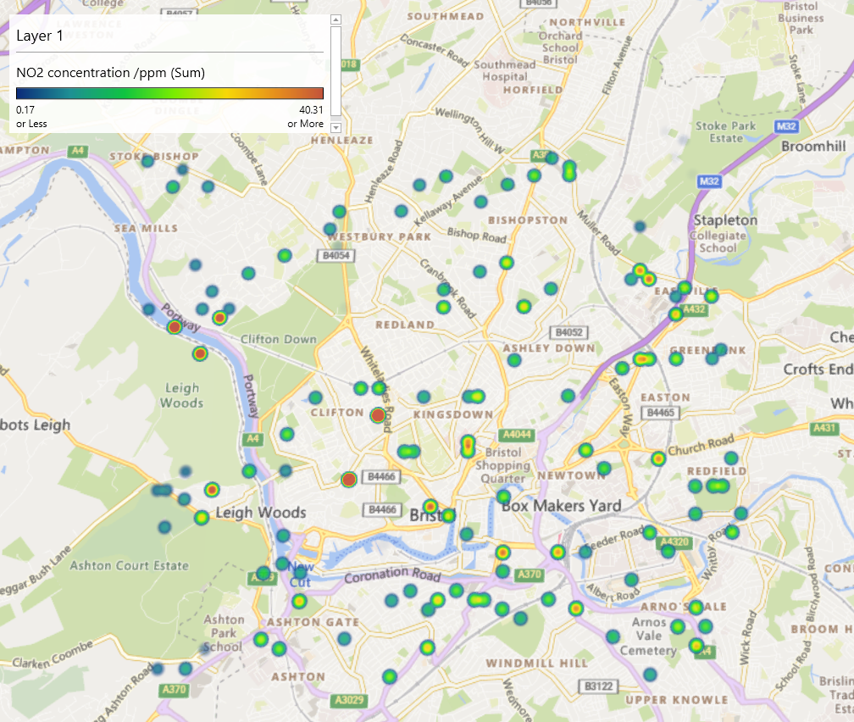
Date
2024-11-12 | Lat1 | Long1 | NO2 concentration /ppm
 | 51.451548 | -2.637471 | 21.544292398
 | 51.454253 | -2.6360695 | 45.162413614
 | 51.471336 | -2.6363071 | 51.488940486
 | 51.472219 | -2.639199 | 8.8518718356
 | 51.484806 | -2.639375 | 8.9052223076
 | 51.446238 | -2.6215687 | 10.126859404
https://gridreferencefinder.com/batchConvert/batchConvert.php
 | 51.456113 | -2.6245814 | 7.4674475103
 | 51.477684 | -2.626316 | 6.7022223816
 | 51.455267 | -2.6144952 | 110.21074406
 | 51.464281 | -2.6102978 | 20.849760309
 | 51.478629 | -2.6176892 | 1.2909208201
 | 51.482225 | -2.6177378 | 14.106538459
3D Maps Tours This workbook has 3D Maps tours available. Open 3D Maps to edit or play the tours.
NOW IN DATA, DATA MODEL 3D MAPS
 | 51.452637 | -2.6015076 | 20.670589074
 | 51.458017 | -2.604457 | 15.035355955
 | 51.463419 | -2.6030889 | 10.974450648
 | 51.472425 | -2.6003282 | 11.290999803
 | 51.448243 | -2.5813038 | 33.946448117
 | 50.848594 | -2.9687107 | 17.513467183
 | 51.515633 | -2.5908084 | 23.002537073
 | 51.47249 | -2.5873711 | 13.885139941
 | 51.485984 | -2.5861044 | 19.437292073
 | 51.448264 | -2.5769871 | 10.151391262
 | 51.467195 | -2.5671487 | 23.331541159
 | 51.475287 | -2.5672491 | 38.927783542
 | 51.451945 | -2.5597641 | 14.535711603
 | 51.454642 | -2.5597971 | 16.358462791
 | 51.467216 | -2.5628302 | 21.782247286
 | 51.473509 | -2.5629077 | 8.8736108159
 | 51.437154 | -2.6387092 | 8.8190928637
 | 51.443541 | -2.621532 | 12.932292427
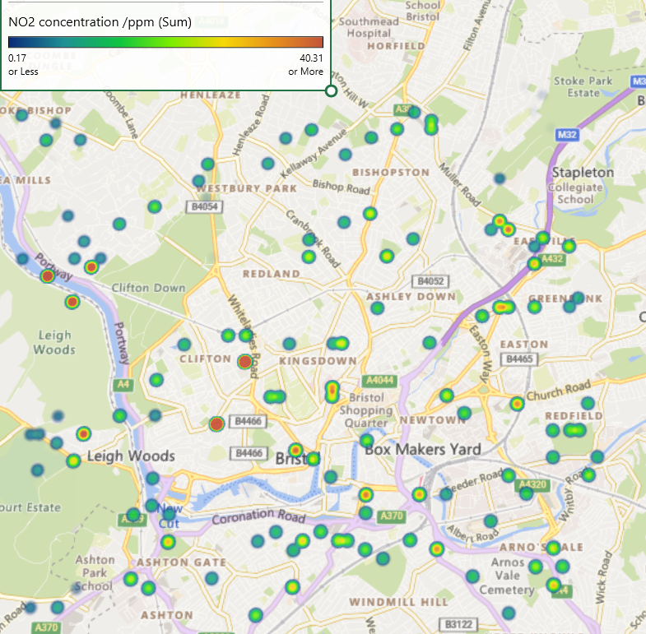
 | 51.436423 | -2.6070491 | 20.172926268
 | 51.444567 | -2.5970849 | 18.102694185 | Lat1 | Long1 | NO2 concentration /ppm
 | 51.442863 | -2.5783578 | 35.011222605 | 51.451548 | -2.637471 | 21.544292398
 | 51.441162 | -2.5581934 | 17.564883265 | 51.450617 | -2.6432144 | 7.7262426385
 | 51.443683 | -2.5941956 | 24.429288775 | 51.451548 | -2.637471 | 6.5438751803
 | 51.450617 | -2.6432144 | 7.7262426385 | 51.45333 | -2.6403742 | 8.8645205575
 | 51.454206 | -2.644704 | 5.6046130165
 | 51.470397 | -2.6434926 | 70.765784364
 | 51.474025 | -2.6377844 | 8.5167344767
 | 51.486581 | -2.6437205 | 5.5730707892
 | 51.447122 | -2.6244586 | 11.83251968
 | 51.459709 | -2.6246305 | 18.648036117
 | 51.472243 | -2.63488 | 6.8367198778
 | 51.199105 | -3.2708877 | 9.2396477338
 | 51.464266 | -2.6131766 | 19.861350931
 | 51.404018 | -2.6138078 | 12.11556662 | Lat1 | Long1 | NO2 concentration /ppm
 | 51.451753 | -2.5986178 | 25.907215315 | 51.454253 | -2.6360695 | 45.162413614
 | 51.458009 | -2.6058962 | 18.699340125 | 51.454206 | -2.644704 | 5.6046130165
 | 51.474223 | -2.6003518 | 13.965154345 | 51.454214 | -2.6432649 | 6.0919025337
 | 51.483243 | -2.5947098 | 11.307188717 | 51.456028 | -2.6404119 | 4.716337506
 | 51.446402 | -2.5899141 | 14.418543579
 | 50.963351 | -2.8998964 | 19.760744843
 | 51.467088 | -2.5887413 | 15.871931108
 | 51.47431 | -2.583075 | 13.515750835
 | 51.486912 | -2.5803554 | 18.47010551
 | 51.450112 | -2.5669369 | 19.528203619
 | 51.456371 | -2.5742108 | 17.612282171
 | 51.476179 | -2.5687001 | 35.70008807
 | 51.454656 | -2.5569188 | 19.172060113
 | 51.471711 | -2.5628855 | 30.155575353
 | 51.474415 | -2.561479 | 23.186591296
 | 51.487895 | -2.5630849 | 0.52392081612
 | 51.438968 | -2.6358571 | 2.9690611517
 | 51.439914 | -2.6272378 | 23.237758947
 | 51.439982 | -2.61429 | 10.447168799
 | 51.442747 | -2.6013776 | 12.164742065
 | 51.44374 | -2.5826855 | 18.021596848
 | 51.436625 | -2.5667699 | 10.259185901
 | 51.439357 | -2.5596101 | 30.118217349
 | 51.44369 | -2.5927569 | 19.320004966
 | 51.451548 | -2.637471 | 6.5438751803
 | 51.454214 | -2.6432649 | 6.0919025337
 | 51.472172 | -2.6478368 | 7.1296424341
 | 51.484775 | -2.6451352 | 14.204524257
 | 51.446207 | -2.627324 | 15.276246281
 | 51.456082 | -2.6303379 | 17.873819869
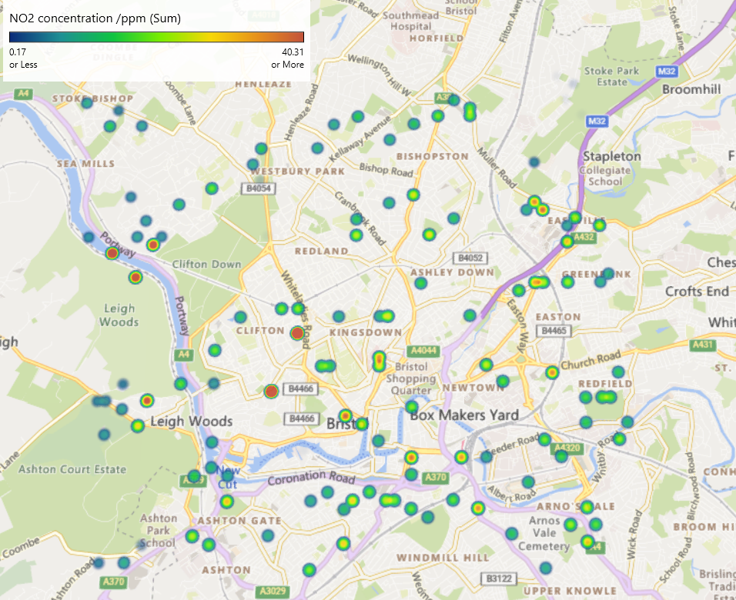
 | 51.477684 | -2.626316 | 11.967382263
 | 51.487797 | -2.5832471 | 12.274630167
 | 51.449003 | -2.608655 | 0.52459776394
 | 51.482278 | -2.607658 | 11.003008922
 | 51.452637 | -2.6015076 | 19.20335631
 | 51.458061 | -2.5958217 | 27.328350688
 | 51.463463 | -2.5944526 | 25.998869655
 | 51.472425 | -2.6003282 | 12.600621672
 | 51.485911 | -2.6005053 | 14.484084668
 | 51.4482 | -2.5899373 | 37.589544368
 | 50.85059 | -2.6874832 | 24.026722493
 | 51.515654 | -2.5864853 | 14.408626396
 | 51.47249 | -2.5873711 | 13.802413194
 | 51.486013 | -2.580344 | 20.97684389
 | 51.448327 | -2.5640368 | 15.901988334
 | 51.458155 | -2.5771118 | 24.251293644
 | 51.467188 | -2.5685882 | 33.062869495
 | 51.475273 | -2.5701286 | 10.723203119
 | 51.486111 | -2.5601825 | 0.46311127542
 | 51.451979 | -2.5525689 | 12.282464265
 | 51.454662 | -2.5554797 | 18.657995953
 | 51.467243 | -2.5570721 | 10.522751046
 | 51.473537 | -2.5571488 | 24.621246059
 | 51.4897 | -2.5616668 | 0.52389509717
 | 51.437154 | -2.6387092 | 1.0710676598
 | 51.443541 | -2.621532 | 18.134341672
 | 51.44453 | -2.6042788 | 12.44334784
 | 51.442805 | -2.5898677 | 18.519242788
 | 51.440194 | -2.5725691 | 13.446074406
 | 51.441142 | -2.5625095 | 21.823443158
 | 51.443653 | -2.5999507 | 15.455247166
 | 51.45333 | -2.6403742 | 8.8645205575
 | 51.456028 | -2.6404119 | 4.716337506
 | 51.467724 | -2.6391361 | 56.376584442
 | 51.476707 | -2.6407016 | 6.6064035092
 | 51.487448 | -2.6494937 | 9.8139113921
 | 51.449819 | -2.6244954 | 11.307420004
 | 50.82488 | -2.6217966 | 25.318019874
 | 51.475855 | -2.6320504 | 13.183411957
 | 50.969527 | -2.4556761 | 9.5189281333
 | 51.461583 | -2.6102618 | 110.79002341
 | 51.463329 | -2.6203615 | 12.953534131
 | 51.472342 | -2.6161645 | 0.48712991928
 | 51.480419 | -2.6191534 | 9.9802427304
 | 51.449969 | -2.5957163 | 11.721566095
 | 51.45896 | -2.5958334 | 34.830443032
 | 51.463456 | -2.595892 | 11.354308439
 | 51.47605 | -2.5946163 | 12.071373367
 | 51.48499 | -2.6048137 | 9.8632474847
 | 51.453595 | -2.5900068 | 20.212343159
 | 51.605955 | -2.6815076 | 12.617003668
 | 51.463535 | -2.5800587 | 15.150064466
 | 51.476971 | -2.5903085 | 25.698040425
 | 51.485063 | -2.590413 | 13.302155533
 | 51.445602 | -2.5697589 | 13.089345875
 | 51.457312 | -2.5655869 | 35.918365981
 | 51.466275 | -2.571456 | 18.896263491
 | 51.480674 | -2.568756 | 5.6195749597
 | 51.490586 | -2.5645584 | 0.46309835679
 | 51.450174 | -2.5539862 | 20.839670543
 | 51.457367 | -2.5540733 | 14.084158521
 | 51.468149 | -2.5556435 | 10.943086285
 | 51.4897 | -2.5616668 | 0.52381428261
 | 51.437131 | -2.6430249 | 5.5087685159
 | 51.43903 | -2.6243482 | 19.722773355
 | 51.443616 | -2.6071445 | 10.247758252
 | 51.43915 | -2.6013304 | 29.072893704
 | 51.441921 | -2.5869787 | 12.082355994
 | 51.442954 | -2.5596541 | 25.454783939
 | 51.443653 | -2.5999507 | 13.547674697

